Veh PALs
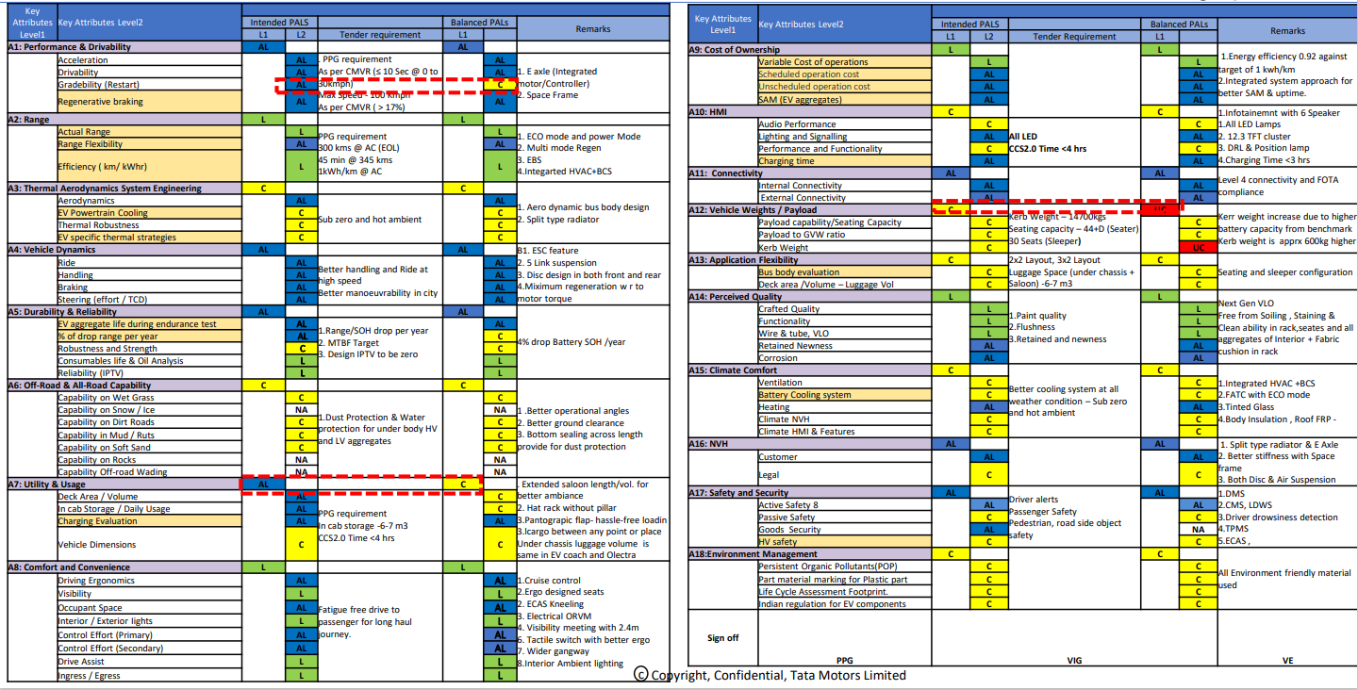

Panel chart summary
 |  |  | LEGEND : no.of RED/YELLOW/GREEN/Not assessable |  |  | Data for graphs (Not to be presented )
X-in-1 : Panel Chart Summary |  |  |  |  |  | Data for Graphs-Current status |  |  |  |  | Data for Graphs-Projected Status at SOP
# | Attribute | PALS | Total targets | Current Status at AKO | Projected Status at ESO | Status of Assessed targets |  |  | Not Assessable | Assessable | Status of Assessed targets |  |  | Not Assessable | Assessable
 |  | Target |  |  |  | Red | Yellow | Green |  |  | Red | Yellow | Green
A1 | Performance & Drivability | AL | 69 |  |  | 0 | 0 | 0 | 69 | 0 | 0 | 0 | 69 | 0 | 0
A2 | Durability & Reliability | AL | 15 |  |  | 0 | 0 | 0 | 15 | 0 | 0 | 0 | 15 | 0 | 0
A3 | Thermal Aerodynamics System Engineering | C | 7 |  |  | 0 | 0 | 0 | 7 | 0 | 0 | 0 | 7 | 0 | 0
A4 | Utility & Usage | C | 7 |  |  | 0 | 0 | 0 | 7 | 0 | 0 | 0 | 7 | 0 | 0
A5 | Safety and Security | AL | 10 |  |  | 0 | 0 | 0 | 10 | 0 | 0 | 0 | 10 | 0 | 0
A6 | Environment Management | C | 4 |  |  | 0 | 0 | 0 | 4 | 0 | 0 | 0 | 4 | 0 | 0
A7 | HMI | C | 24 |  |  | 0 | 0 | 0 | 24 | 0 | 0 | 0 | 24 | 0 | 0
 |  |  | 136
 |  |  | LEGEND : no.of RED / YELLOW / GREEN / Not assessable/ Not assessed |  |  | Data for graphs (Not to be presented )
 | 1 | 1 | 1 | 1
 | 1 | 1 | 1 | 1
 | 1 | 1 | 1 | 1
 | 1 | 1 | 1 | 1
 | 1 | 1 | 1 | 1
 | 1 | 1 | 1 | 1
 | 1 | 1 | 1 | 1
 | 1 | 1
 | 1 | 1 | 1 | 1
 | 1 | 1 | 1 | 1
 | 1 | 1 | 1 | 1
 | 1 | 1 | 1 | 1
 | 1 | 1 | 1 | 1
 | 1 | 1 | 1 | 1
 | 1 | 1 | 1 | 1
 | 1 | 1 | 1 | 1

